모델
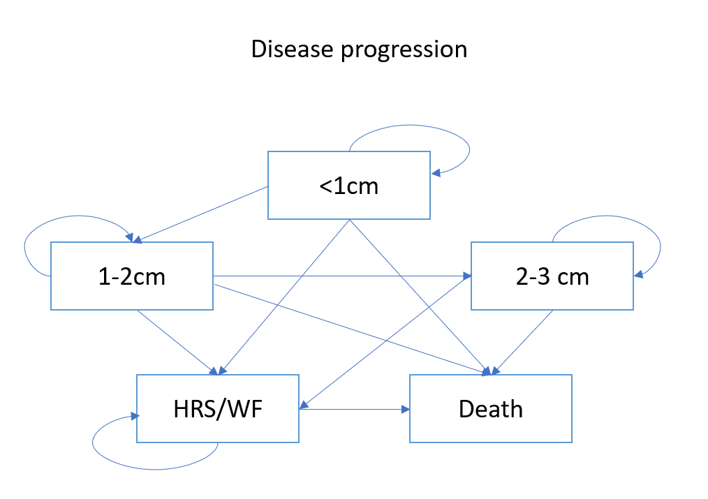
 |  |  |  |  |  |  |  |  |  | 각 cyst size 별 WF 로 발전할 확률 및 WF 발전 시 수술을 진행할 확률
** Same tree structures for different cyst sizes
 |  |  |  |  |  |  |  |  |  | Transition probabilities for surveillance + WF nodes |  |  | Transition probabilities for surveillance + WF nodes |  | Transition probabilities for surveillance + WF nodes

Decision tree 1 |  |  |  |  |  |  |  |  |  | 1) <1cm -> WF |  | (probability of developing WF from cyst size <1cm) | 1) 1-2cm -> WF | (probability of developing WF from cyst size <1cm) | 1) 2-3cm -> WF | (probability of developing WF from cyst size <1cm)
 |  |  |  |  |  |  |  |  |  | 2) <1cm WF -> surgery |  | (probability of having surgery among patients with csyt size <1cm) | 2) 1-2cm WF -> surgery | (probability of having surgery among patients with csyt size <1cm) | 2) 2-3cm WF -> surgery | (probability of having surgery among patients with csyt size <1cm)
 |  |  |  |  |  |  |  |  |  | 3) <1cm WF -> surveillance -> growth to cyst size 1-2cm |  | (probability of cyst size growing to 1-2cm during surveillance + surgery) | 3) 1-2cm WF -> surveillance -> growth to cyst size 1-2cm | (probability of cyst size growing to 1-2cm during surveillance + surgery) | 3) 2-3cm WF -> surveillance -> growth to cyst size 1-2cm | (probability of cyst size growing to 1-2cm during surveillance + surgery)
 |  |  |  | Surgery |  |  |  |  |  | 4) <1cm WF -> surveillance -> keep surveillance and death |  | (probability of cyst size growing to 1-2cm but no surgery until death) | 4) 1-2cm WF -> surveillance -> keep surveillance and death | (probability of cyst size growing to 1-2cm but no surgery until death) | 4) 2-3cm WF -> surveillance -> keep surveillance and death | (probability of cyst size growing to 1-2cm but no surgery until death)
 |  |  |  |  | Surgery Markov
 |  |  | TP2

 |  | WF

 | rate1 |  |  |  |  | rapid growth | TP5
 |  |  |  |  | TP3 |  |  |  | 1
 |  |  | 1-TP2 | Surveillance
<1cm |  |  |  |  |  |  |  | surgery

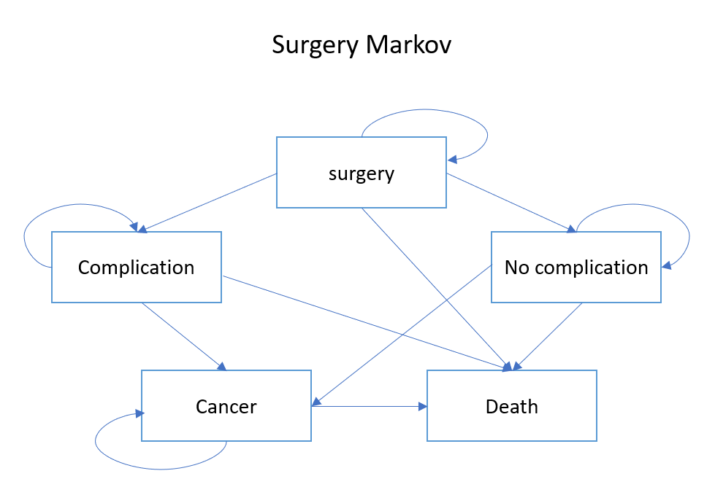
 |  |  |  |  | 1-TP4 | stay | 1-TP5
 |  |  |  |  |  |  |  |  | 1
 | rate2 |  |  |  |  |  |  |  |  | Transition probabilities for surgery nodes
 |  |  |  |  |  |  |  | no surgery

 |  | No WF |  | Markov disease progression |  |  |  |  |  | 1) surgery to death |  | (probability of death from surgery)
 |  |  |  |  |  |  |  |  | 1 | 2) surgery -> complication -> death |  | (probability of death from complication after surgery)
 |  |  |  |  |  |  |  |  |  | 3) surgery -> complication -> cancer -> death |  | (probability of death due to cancer after surgery)
 |  |  |  |  |  |  |  |  |  | 4) surgery -> no complication -> death |  | (probability of natural death after surgery w/o complication)
 |  |  |  |  |  |  |  |  |  | 5) surgery -> no complication -> cancer -> death |  | (probablity of death due to to cancer after surgery w/o complication)
Decision tree 2
 |  |  |  |  |  |  |  |  |  | 1+2+3+4+5 = 1

 |  |  |  | Surgery
 |  |  |  |  | Surgery Markov
 |  |  | TP3 |  |  |  |  |  |  | Transition probabilities for No WF (cyst 사이즈 증가 or 유지)

 |  |  |  |  |  |  |  |  |  | 1) <1cm -> 1-2cm w/o WF
 |  | WF |  |  |  |  |  |  |  | 2) <1cm -> 1-2cm + WF | => go to Decision tree 2
 |  |  |  |  |  |  |  | surgery |  | 3) <1cm -> <1cm + WF

 | TP1 |  |  |  |  | rapid growth | TP11
 |  |  |  |  | TP9 |  |  |  | 1
 |  |  | TP4 | Surveillance
1-2cm |  |  |  |  |  |  |  | no surgery

 |  |  |  |  | TP10 | stay | TP12
 |  |  |  |  |  |  |  |  | 1
 | TP2

 |  | No WF |  | Markov disease progression
 |  |  |  |  |  |  |  |  | 1

 |  |  |  | Surgery
 |  |  |  |  | Surgery Markov
Decision tree 3 |  |  | TP3

 |  | WF

 | TP1 |  |  |  |  | surveillance | TP11 | Markov disease progression
 |  |  |  |  | TP9 |  |  |  | 1
 |  |  | TP4 | Surveillance
2-3cm

 |  |  |  |  | TP10 | growth -> surgery | TP12 | Death
 |  |  |  |  |  |  |  |  | 1
 | TP2

 |  | No WF |  | Markov disease progression
 |  |  |  |  |  |  |  |  | 1

 |  |  |  | Surgery
 |  |  |  |  | Surgery Markov
 |  |  | TP3
Decision tree 4

 |  | WF

 | TP1 |  |  |  |  | surveillance | TP11 | Markov disease progression
 |  |  |  |  | TP9 |  |  |  | 1
 |  |  | TP4 | Surveillance
<3cm

 |  |  |  |  | TP10 | growth -> surgery | TP12 | Death
 |  |  |  |  |  |  |  |  | 1
 | TP2

 |  | No WF |  | Markov disease progression
 |  |  |  |  |  |  |  |  | 1

table
 |  | time to malignanacy progression | IPMN related death |  |  |  | size |  |  |  |  |  |  |  | survival
 |  |  |  |  |  |  | <1 | 1-2cm | 2-3cm | >3 | <1 | 1-2cm | 2-3cm | >3 | <1 | 1-2cm | 2-3cm | >3
Cycle | month | number of patients | survival rate (%) |  |  |  | n |  |  |  | % |  |  |  | % |  |  |  | A | B | C
1 | 6 |  | 98.5 | 0.01 | 0.985 |  | 990 | 1774 | 635 | 257 | 0.27078774617 | 0.4852297593 | 0.17368708972 | 0.070295404814 | 100 | 100 | 99.5 | 98.8 | 63 | 47 | 16 | 0 | 0.063636363636 | 0.026493799324 | 0.025196850394 | 0
2 | 12 |  | 95.3 | 0.01 | 0.953 | 0.032 | 927 | 1790 | 666 | 273 | 0.25355579869 | 0.48960612691 | 0.18216630197 | 0.074671772429 | 99.9 | 99.9 | 98.7 | 96.8 | 68 | 43 | 20 | 0 | 0.073354908306 | 0.024022346369 | 0.03003003003
3 | 18 |  | 92.1 | 0.01 | 0.921 | 0.032 | 859 | 1815 | 689 | 293 | 0.23495623632 | 0.49644420131 | 0.18845733042 | 0.080142231947 | 99.7 | 99.6 | 98.4 | 94.8 | 55 | 50 | 36 | 0 | 0.064027939464 | 0.027548209366 | 0.052249637155
4 | 24 |  | 89 | 0.01 | 0.89 | 0.031 | 804 | 1820 | 703 | 329 | 0.21991247265 | 0.49781181619 | 0.19228665208 | 0.089989059081 | 99.2 | 99.1 | 97.1 | 91.1 | 55 | 40 | 35 | 0 | 0.068407960199 | 0.021978021978 | 0.049786628734
5 | 30 |  | 87.3 | 0.01 | 0.873 | 0.017 | 749 | 1835 | 708 | 364 | 0.20486870897 | 0.50191466083 | 0.19365426696 | 0.099562363239 | 99 | 98.8 | 96.2 | 89.5 | 49 | 49 | 25 | 0 | 0.065420560748 | 0.026702997275 | 0.035310734463
6 | 36 |  | 85.9 | 0.01 | 0.859 | 0.014 | 700 | 1835 | 732 | 389 | 0.19146608315 | 0.50191466083 | 0.20021881838 | 0.10640043764 | 98.9 | 98.6 | 95.9 | 89 | 43 | 50 | 18 | 0 | 0.061428571429 | 0.027247956403 | 0.024590163934
7 | 42 |  | 83.6 | 0.01 | 0.836 | 0.023 | 657 | 1828 | 764 | 407 | 0.17970459519 | 0.5 | 0.20897155361 | 0.1113238512 | 98.8 | 98.3 | 95.5 | 86.9 | 23 | 56 | 30 | 0 | 0.03500761035 | 0.030634573304 | 0.039267015707
8 | 48 |  | 82.5 | 0.01 | 0.825 | 0.011 | 634 | 1795 | 790 | 437 | 0.17341356674 | 0.49097374179 | 0.21608315098 | 0.11952954048 | 98.6 | 98 | 94.8 | 89.6 | 27 | 42 | 16 | 0 | 0.042586750789 | 0.023398328691 | 0.020253164557
9 | 54 |  | 81 | 0.01 | 0.81 | 0.015 | 607 | 1780 | 816 | 453 | 0.16602844639 | 0.48687089716 | 0.22319474836 | 0.1239059081 | 98.2 | 97.7 | 94.4 | 85.6 | 31 | 53 | 20 | 0 | 0.051070840198 | 0.029775280899 | 0.024509803922
10 | 60 |  | 79.1 | 0.01 | 0.791 | 0.019 | 576 | 1758 | 849 | 473 | 0.15754923414 | 0.48085339168 | 0.23222100656 | 0.12937636761 | 98 | 97.4 | 94.2 | 83.7 | 20 | 49 | 27 | 0 | 0.034722222222 | 0.02787258248 | 0.031802120141
11 | 66 |  | 78.1 | 0.01 | 0.781 | 0.01 | 556 | 1729 | 871 | 500 | 0.15207877462 | 0.47292122538 | 0.23823851204 | 0.13676148796 | 97.6 | 97.2 | 93.9 | 82.7 | 29 | 50 | 20 | 0 | 0.052158273381 | 0.028918449971 | 0.022962112514
12 | 72 |  | 76.5 | 0.01 | 0.765 | 0.016 | 527 | 1708 | 901 | 520 | 0.14414660832 | 0.46717724289 | 0.24644420131 | 0.14223194748 | 97.4 | 97 | 92.3 | 81.5 | 21 | 43 | 29 | 0 | 0.039848197343 | 0.025175644028 | 0.032186459489
13 | 78 |  | 74.7 | 0.01 | 0.747 | 0.018 | 506 | 1686 | 915 | 549 | 0.13840262582 | 0.46115973742 | 0.25027352298 | 0.15016411379 | 96.8 | 96.8 | 92.3 | 79.5 | 19 | 40 | 33 | 0 | 0.037549407115 | 0.023724792408 | 0.03606557377
14 | 84 |  | 72.1 | 0.01 | 0.721 | 0.026 | 487 | 1665 | 922 | 582 | 0.13320568928 | 0.45541575492 | 0.25218818381 | 0.15919037199 | 96.6 | 96.2 | 91.1 | 78.1 | 15 | 41 | 31 | 0 | 0.030800821355 | 0.024624624625 | 0.033622559653
15 | 90 |  | 69.2 | 0.01 | 0.692 | 0.029 | 472 | 1639 | 932 | 613 | 0.12910284464 | 0.44830415755 | 0.25492341357 | 0.16766958425 | 96.4 | 96.1 | 90.5 | 76.4 | 7 | 36 | 33 | 0 | 0.014830508475 | 0.021964612569 | 0.035407725322
16 | 96 |  | 67.6 | 0.01 | 0.676 | 0.016 | 465 | 1610 | 935 | 646 | 0.12718818381 | 0.44037199125 | 0.25574398249 | 0.17669584245 | 95.9 | 95.6 | 89.4 | 74.7 | 11 | 46 | 33 | 0 | 0.023655913978 | 0.028571428571 | 0.035294117647
17 | 102 |  | 66.3 | 0.01 | 0.663 | 0.013 | 454 | 1575 | 948 | 679 | 0.12417943107 | 0.43079868709 | 0.25929978118 | 0.18572210066 | 95.9 | 95.2 | 89 | 74.7 | 13 | 38 | 24 | 0 | 0.028634361233 | 0.024126984127 | 0.025316455696
18 | 108 |  | 64.2 | 0.01 | 0.642 | 0.021 | 441 | 1550 | 962 | 703 | 0.12062363239 | 0.42396061269 | 0.26312910284 | 0.19228665208 | 95.5 | 94.2 | 88.1 | 71.3 | 11 | 37 | 37 | 0 | 0.024943310658 | 0.023870967742 | 0.038461538462
19 | 114 |  | 62.6 | 0.01 | 0.626 | 0.016 | 430 | 1524 | 962 | 740 | 0.11761487965 | 0.41684901532 | 0.26312910284 | 0.20240700219 | 95.1 | 93.6 | 87.7 | 71.3 | 9 | 39 | 27 | 0 | 0.020930232558 | 0.025590551181 | 0.028066528067
20 | 120 |  | 61.4 | 0.01 | 0.614 | 0.012 | 421 | 1494 | 974 | 767 | 0.11515317287 | 0.40864332604 | 0.26641137856 | 0.20979212254 | 95.1 | 93.6 | 86.5 | 68.7 | 14 | 32 | 28 | 0 | 0.03325415677 | 0.021419009371 | 0.028747433265
21 | 126 |  | 57.3 | 0.01 | 0.573 | 0.041 | 407 | 1476 | 978 | 795 | 0.1113238512 | 0.40371991247 | 0.26750547046 | 0.21745076586 | 95.1 | 93.4 | 85.8 | 66 | 6 | 26 | 35 | 0 | 0.014742014742 | 0.017615176152 | 0.035787321063
22 | 132 |  | 54.4 | 0.01 | 0.544 | 0.029 | 401 | 1456 | 969 | 830 | 0.10968271335 | 0.39824945295 | 0.26504376368 | 0.22702407002 | 94.4 | 91.9 | 85.8 | 66 | 7 | 19 | 29 | 0 | 0.017456359102 | 0.013049450549 | 0.029927760578
23 | 138 |  | 53.6 | 0.01 | 0.536 | 0.008 | 394 | 1444 | 959 | 859 | 0.10776805252 | 0.39496717724 | 0.26230853392 | 0.23495623632 | 93.6 | 91.1 | 85.8 | 64 | 7 | 31 | 26 | 0 | 0.017766497462 | 0.021468144044 | 0.027111574557
24 | 144 |  | 49 | 0.01 | 0.49 | 0.046 | 387 | 1420 | 964 | 885 | 0.10585339168 | 0.38840262582 | 0.2636761488 | 0.2420678337 | 93.6 | 91.1 | 85.8 | 61.6 | 3 | 32 | 32 | 0 | 0.0077519379845 | 0.022535211268 | 0.033195020747
25 | 150 |  | 49 | 0.01 | 0.49 | 0 | 384 | 1391 | 964 | 917 | 0.10503282276 | 0.38047045952 | 0.2636761488 | 0.25082056893 | 92.9 | 91.1 | 83.5 | 61.6 | 5 | 21 | 19 | 0 | 0.013020833333 | 0.01509705248 | 0.019709543568
26 | 156 |  | 47.9 | 0.01 | 0.479 | 0.011 | 379 | 1375 | 966 | 936 | 0.10366520788 | 0.3760940919 | 0.26422319475 | 0.25601750547 | 92.9 | 89.7 | 83.5 | 58.5 | 5 | 17 | 21 | 0 | 0.013192612137 | 0.012363636364 | 0.021739130435
27 | 162 |  | 43.4 | 0.01 | 0.434 | 0.045 | 374 | 1363 | 962 | 957 | 0.102297593 | 0.37281181619 | 0.26312910284 | 0.26176148796 | 92.9 | 87.9 | 81.6 | 52 | 5 | 19 | 31 | 0 | 0.013368983957 | 0.013939838591 | 0.032224532225
28 | 168 |  | 39.7 | 0.01 | 0.397 | 0.037 | 369 | 1349 | 950 | 988 | 0.10092997812 | 0.36898249453 | 0.25984682713 | 0.27024070022 | 91.9 | 87.9 | 79 | 48.5 | 7 | 22 | 29 | 0 | 0.018970189702 | 0.016308376575 | 0.030526315789
29 | 174 |  | 36.8 | 0.01 | 0.368 | 0.029 | 362 | 1334 | 943 | 1017 | 0.099015317287 | 0.36487964989 | 0.2579321663 | 0.27817286652 | 91.9 | 87.1 | 79 | 44.1 | 7 | 22 | 24 | 0 | 0.019337016575 | 0.016491754123 | 0.02545068929
30 | 180 |  | 33.6 | 0.01 | 0.336 | 0.032 | 355 | 1319 | 941 | 1041 | 0.097100656455 | 0.36077680525 | 0.25738512035 | 0.28473741794 | 91.9 | 86.1 | 79 | 44.1 | 355 | 1674 | 2615 | 3656
 |  | 62 |  |  |  | 0.022379310345 |  |  |  |  |  |  |  |  | 2883.7 | 2840.2 | 2694.3 | 2231.1 | 0 | 0 | 0 | 0
 |  | group별 malignancy rate? |  |  |  | 0.04475862069 |  |  |  |  |  |  |  | average TP | 96.123333333 | 94.673333333 | 89.81 | 74.37
 |  |  |  |  |  |  |  |  | -16 |  |  |  |  |  | 0.96123333333 | 0.94673333333 | 0.8981 | 0.7437
 |  |  |  |  |  |  |  |  |  |  |  |  |  | A to B (survival rate of A - survival rate of B) | 0.0145
 |  |  |  |  |  |  |  |  |  |  |  |  |  | B to C | 0.048633333333
 |  |  |  |  |  |  |  |  |  |  |  |  |  | C to D | 0.1544

